1. Title Page
Grocery Basket Analysis

Project Name: Grocery Basket Analysis
Date: 02/14/2023
Analyst Name: Felix Ke

Contents:
Population Flow
Consistency checks
Wrangling steps
Column derivations
Visualizations
Recommendations

2. Population Flow
Title page

Population flow

Exclusion flag
Condition: max_order < 4
Obervations to be removed: 1440295
Final total count of order_products_final: 30964564

Orders_products_combined
Orders_products_merged
Orders_products_all

Total: 32404859
Total: 32434489
Total: 32404859

1.) The grey boxes in the first row of the population flow represent the original data sets as they were when you downloaded them. In the Total fields you need to add the count of the rows when you imported the data set into Jupyter.
2.) The second row of boxes (coloured) represents the data sets after you manipulated them, e.g., removed missing values and duplicates. In the Total fields you need to add the count of the rows after conducting these operations. This offers a visual oveview of how the data flows throughout the data consistency checks.
3.) The third row, where also the arrows are coloured, represents the merges you performed between the datasets. In the Total fields you need to add the count of the rows in the merged datasets, so that you end up with the final dataset (in the red box). Keep in mind the final dataset should be without exclusions (based on the exclusion flag).

3. Consistency checks
 |  |  |  | Title page
Consistency checks

Dataset | Missing values | Missing values treatment | Duplicates
orders | 206,209 | Imputation | 0
products | 16 | Removed | 5
orders_products_prior | 0 |  | 0
customers | 0 |  | 0

4. Wrangling steps
 |  |  |  | Title page
Wrangling steps

Columns dropped | Columns renamed | Columns' type changed | Comment/Reason
orders[eval_set] |  |  | Irrelevant for this project
 | orders[order_dow] |  | Clarity
 |  | orders[user_id] | Identifier Variable; changed to str type
 | orders[order_number] |  | Clarity
orders_products_combined[_merge] |  |  | Dropping so it can be merged with Products; unnecessary information
 | customers[Last Name] |  | Clarity
 | customers[State] |  | Visually match other headers
 |  | customers[user_id] | Identifier Variable; changed to str type
 |  | customers[First Name] | Contained mixed types; changed to str type
 |  | orders_products_merged[user_id] | Matching data type for merge; changed to str type
orders_products_merged[_merge] |  |  | Dropping so it can be merged with customers; unnecessary information
orders_products_all[_merge] |  |  | Unnecessary information
orders_products_all[First Name, Last Name] |  |  | Personally Identifiable Information

5. Column derivations
 |  |  |  | Title page

Column derivations and aggregations

In this tab you should add tables below that the frequences of flags/label variables that you produced after deriving them. NB: don't do this for continuous variables, only for flags.
Dataset | New column | Column/s it was derived from | Conditions
orders_products_merged | price_range_loc | prices | Sorting products into price ranges
orders_products_merged | busiest_day | order_day_of_week | Sorting the busiest day and the least busy day
orders_products_merged | busiest_days | order_day_of_week | Sorting the 2 busiest days and the 2 least busy days
orders_products_merged | busiest_period_of_day | order_hour_of_day | Sorting the hours with the most orders from the hours with the least orders
orders_products_merged | max_order | user_id, user_order_number | Aggregating the max number of orders for each user
orders_products_merged | loyalty_flag | max_order | Sorting customers into 3 different categories based on max_order
orders_products_merged | mean_prices_products | user_id, prices | Aggregating the mean price of products purchased by each user
orders_products_merged | spender | mean_prices_products | Sorting customers in 2 categories based on mean_prices_products
orders_products_merged | median_days_last_order | user_id, days_since_prior_order | Aggregating the median number of days since a user's last order
orders_products_merged | freq_customer | median_days_last_order | Sorting customers into 3 categories based on their purchase history
orders_products_all | Region | State | Creating a region flag from the state coluumn
orders_products_aLL | orders_flag | max_order | Sorting data frame into 2 samples based on max orders >= 5
orders_products_all | customer_profile | Age, income, n_dependants | Sorting users into different profiles based on their characteristics

6. Visualizations

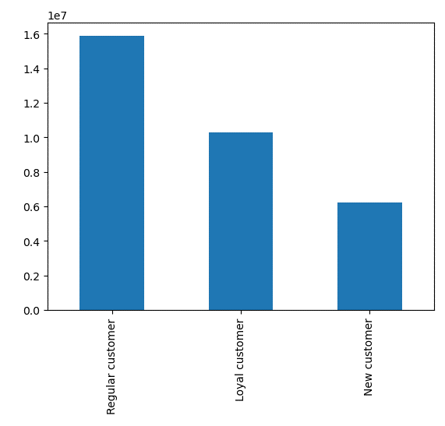
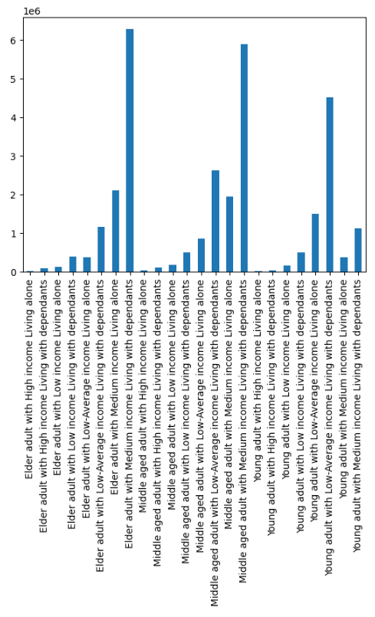
 |  |  | Title page

Visualisations

In this tab you should include all the visualtions from Exercises 4.9 and 4.10, alongside the questions from the project brief that they answer. Include any commentary on the relationship between different variables.

Key Question 1: What are the busiest days of the week? | Key Question 2: What are the busiest hours of the day? |  |  | Key Question 3: Are there particular times of the day where people spend the most money?
Note: x-axis = days of the week | Note: x-axis = hours of the day


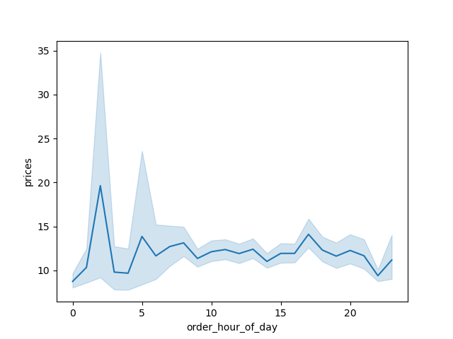

Key Question 4: Marketing and sales wants to use simpler price range groupings to help direct their work. |  | Key Question 5: Are there certain types of products that are more popular than others?
Note: x-axis = prices, y = # of products in that price |  | Note: x-axis = department_id


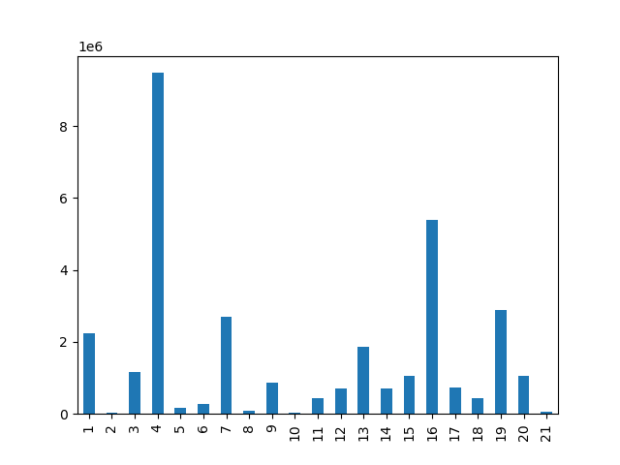

Key Question 6: Questions about customers in the Instacart system

a. What's the distribution among users in regards to brand loyalty? | e. What different classifications does the demographic information suggest?

7. Recommendations
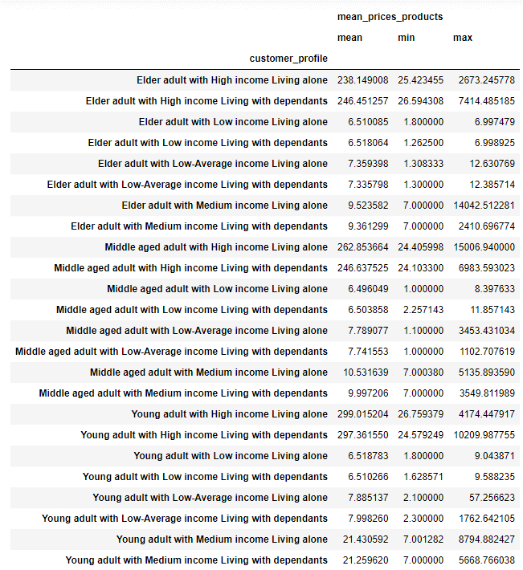
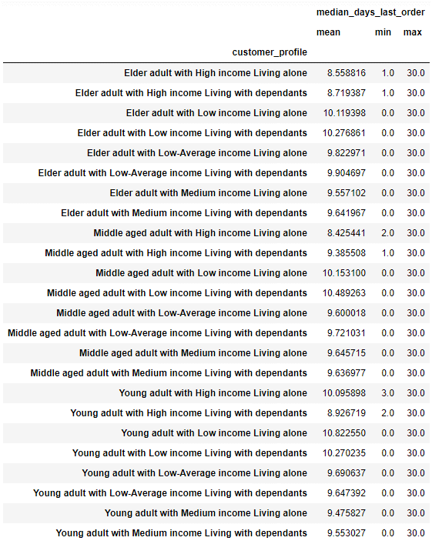
 |  |  |  |  |  |  |  |  |  | Title page

Recommendations

In this tab you should include any recommendations you would made to Instcart in terms of their marketing strategy based on the questions posed in the brief. Every key question has been covered in the Tasks of the Exercises - here you need to add an item - a visualisation or table/crosstable that is showing the answer in the data, acompanied by a comment from you. Please, list the questions below and add the answer underneath.

Question |  | Answer
Key Question 1: What are the busiest days of the week? |  | Saturday and Sunday are the busiest days of the week for Instacart.
Key Question 2: What are the busiest hours of the day? |  | The hours between 8 am and 5 pm tend to be the busiest for Instacart business.
Key Question 3: Are there particular times of the day where people spend the most money? |  | Around 2am the amount of money spent tends to spike.
Key Question 4: Marketing and sales wants to use simpler price range groupings to help direct their work. |  | Expensive products can be set at a range greater than $15. Depending on how many ranges the marketing and sales teams want to work with, the rest of the products can be borken up into smalelr bins.
Key Question 5: Are there certain types of products that are more popular than others? |  | Department 4 (produce) has by far the most orders. Departments 16, 19, 7, and 1 (dairy eggs, snacks, beverages, frozen) also have a good amount of orders being made for.

Key Question 6: Questions about customers in the Instacart System.
a. What's the distribution among users in regards to brand loyalty?
Regular customers make up the majority of users (those making a total between 10 and 40 orders through Instacart). Loyal customers (40+ total orders) are the 2nd largest group, with New customers (<10 total orders) making up the smallest portion of Instacart users.

b. Are there differences in ordering habits based on a customer's loyalty status? |  |  |  |  |  |  |  | c. Are there differences in ordering habits based on a customer's region?

Loyal customers come back to Instacart much more often compared to New and Regular customers. All three customer groups also tend to make the majority of their orders on Saturday, Sunday and Friday between the hours of 9 and 17. |  |  |  |  |  |  |  | This follows the same habits as the customer's loyalty status; Instacart users in every region tend to make most of their orders on Saturday, Sunday and Friday between the hours of 9 and 17.

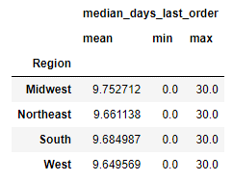

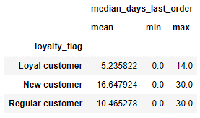

order_hour_of_day | Loyal customer | New customer | Regular customer | order_day_of_week | Loyal customer | New customer | Regular customer | order_hour_of_day | Midwest | Northeast | South | West | order_day_of_week | Midwest | Northeast | South | West
0 | 61748 | 35311 | 110983 | 0 | 1754731 | 984879 | 3169000 | 0 | 48192 | 36600 | 69767 | 53483 | 0 | 1390189 | 1043698 | 1955352 | 1519371
1 | 30179 | 20674 | 58768 | 1 | 1843401 | 818902 | 2749383 | 1 | 25879 | 20529 | 35769 | 27444 | 1 | 1263655 | 954332 | 1808348 | 1385351
2 | 17788 | 12241 | 35662 | 2 | 1352343 | 625288 | 2047075 | 2 | 16136 | 11842 | 20668 | 17045 | 2 | 947370 | 713159 | 1340387 | 1023790
3 | 13374 | 9510 | 25912 | 3 | 1266495 | 560418 | 1842622 | 3 | 11298 | 8843 | 16458 | 12197 | 3 | 855316 | 649305 | 1229002 | 935912
4 | 16882 | 8442 | 25439 | 4 | 1292042 | 535931 | 1797021 | 4 | 12015 | 9043 | 17277 | 12428 | 4 | 851501 | 637781 | 1205497 | 930215
5 | 29350 | 12475 | 42593 | 5 | 1456715 | 587718 | 1989296 | 5 | 19061 | 14733 | 29571 | 21053 | 5 | 943396 | 716128 | 1342849 | 1031356
6 | 112865 | 33901 | 134247 | 6 | 1318366 | 690559 | 2282379 | 6 | 64885 | 49025 | 95583 | 71520 | 6 | 1010086 | 750282 | 1429704 | 1101232
7 | 346694 | 102170 | 414349 |  |  |  |  | 7 | 201794 | 154031 | 288357 | 219031
8 | 643895 | 208124 | 807091 |  |  |  |  | 8 | 384854 | 294134 | 559785 | 420337
9 | 882740 | 313143 | 1167728 |  |  |  |  | 9 | 552468 | 414092 | 791570 | 605481
10 | 937669 | 382409 | 1329666 |  |  |  |  | 10 | 621555 | 464454 | 885590 | 678145
11 | 873024 | 402684 | 1339172 |  |  |  |  | 11 | 614330 | 461204 | 867995 | 671351
12 | 807001 | 394610 | 1294184 |  |  |  |  | 12 | 583145 | 443358 | 827945 | 641347
13 | 824465 | 409847 | 1304964 |  |  |  |  | 13 | 589852 | 450628 | 840883 | 657913
14 | 835162 | 409947 | 1322794 |  |  |  |  | 14 | 596442 | 454392 | 851916 | 665153
15 | 809777 | 414283 | 1311906 |  |  |  |  | 15 | 598686 | 447558 | 839925 | 649797
16 | 743761 | 403735 | 1266185 |  |  |  |  | 16 | 568750 | 424062 | 800862 | 620007
17 | 584602 | 343519 | 1054224 |  |  |  |  | 17 | 467191 | 348360 | 659238 | 507556
18 | 449336 | 270607 | 831241 |  |  |  |  | 18 | 368875 | 272247 | 515725 | 394337
19 | 360292 | 204772 | 628814 |  |  |  |  | 19 | 281563 | 207531 | 401485 | 303299
20 | 309270 | 147337 | 474302 |  |  |  |  | 20 | 220518 | 162856 | 309210 | 238325
21 | 264537 | 112588 | 385986 |  |  |  |  | 21 | 181038 | 134541 | 256209 | 191323
22 | 206150 | 91484 | 309426 |  |  |  |  | 22 | 144637 | 108988 | 200322 | 153113
23 | 123532 | 59882 | 201140 |  |  |  |  | 23 | 88349 | 71634 | 129029 | 95542

d. Is there a connection between age and family status in terms of ordering habits |  |  |  |  |  |  |  | e. What different classifications does the demographic information suggest?

In conjunction with the next key question, we noticed that middle-aged and elderly adults are more often than not those that are married or divorced/widowed. Married people will have families that they care for, and those divorced/widowed are all on the older side and likely ordering groceries for themselves. These two family statuses are more likely to use Instacart more often, whereas users living with parents and siblings or those that are single aren't necessarily ordering groceries as often. |  |  |  |  |  |  |  | The demographic information suggests that the majority of Instacart customers are Middle-Aged and Elderly adults making a medium amount of income (between $89k and $170k). Young adults living with dependants on a low income also use Instacart quite often, which suggests that the Instacart service is reliable for its low prices and/or its ease of use.

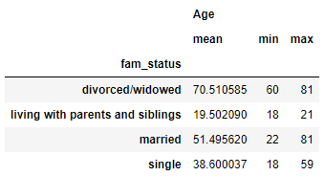

f. What differences can you find in ordering habits of different customer profiles?
The first thing that stands out is that the users with high incomes tend to make large purchases, which means they're doing all their shopping at once. Users with low or medium incomes tend to make much smaller purchases, which assumes that they just tend to buy what they need when they need it. There are what looks like a lot of extremely high cost orders that have occured in the high incom bracket though, but without more information on the use of Instacart products (that we aren't privy to), we can't tell if these are consistent orders that the Instacart marketing and sales teams could plan around for their advertising. The aggregation with the median days since a user's last order shows that every customer profile type tends to have a similar amount of time pass between each of their orders.

